Sheet1
Test Case ID |  | TC_Practical-001 | Test Case Desc | Test the functuionality of calculaterapplication
Created By |  | Shrutika Moharkar | Reviewed By |  |  | Version |  | 1.0
Tester's Name |  |  | Date Tested |  |  | Test Case Status (Passed/Failed/NE)

# | Prerequisites: |  |  | # | Test Data
1 | Windows OS |  |  | 1
2 | Notepad appilcation |  |  | 2
3 |  |  |  | 3
4 |  |  |  | 4

Test Scenario | verify that the calculater perform all mathematical calculation.

Step # | Step Details |  | Expected Results | Actual Results |  |  | Pass / Fail / Not executed / Suspended
1 | Type "Calulator"in search box of taskbar. |  | Verify you see this application icon.
2 | Click on Calculator icon. |  | 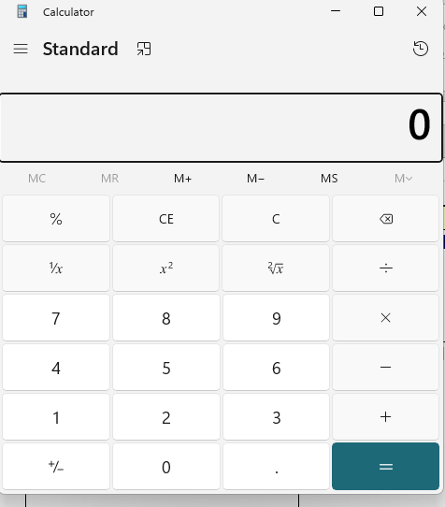 Verify that you will this window.
3 | Add to positive integer a)Click 5+3= |  | Verify the Addition result is"7"
4 | For clear screen Every single operation perfrom after clear the calculateor screen Click"c"(Clear)or"CE"(clear entity). |  | Verify the display 0(zero) | S
5 | Subtraction a)Click 5-3= |  | Verify the Subtraction result is"2"
6 | Multiplication Click 5*3= |  | Verify the Multiplication result is"15"
7 | Division Click5/3= |  | Verify the Division point result is "1.67"
8 | Decimal /floating point Addition Click 6.6+4.25= |  | Verify the Decimal point result is "10.85"
9 | Decimal point subtraction click 6.6-4.25= |  | Verify the result is "2.35"
10 | Decimal point Multiplication click 6.6*4.25= |  | verify the result is "28.05".
11 | Decimal by zero click 6.6/4.25 |  | verify the result is "1.55".
12 | Division by zero click 6/0= |  | Verify the shows this masseage"can not divide by zero"
13 | Add possitive and negative integer Enter 5+(-3) |  | Verify the result is 2
14 | Click 5-0= 5+0= |  | Verify the result is 5
15 | Click 5*0= |  | Verify the result is 0
16 | For square root click on. |  | Verify that you will see the square of given number.
17 | store and recall value click 66-->Ms-->C-->Mr |  | Verify the display value is 66.
18 | Memory clear click 66-->Ms-->Mc-->MR |  | Verify the display shows 0 or Blanck
19 | Memory add click 10-->Ms-->click3-->M- -->MR |  | verify the display 15
20 | Memory subtration click10-->MS-->click3-->M- -->MR |  | Verify the display shows 7.

